Sales
IT total pivot Results
P&S FY | GD&P FY | Total Revenue FY
€ 8,827,471 | € 9,018,395 | € 17,845,866
P&S = Pack&Ship
GD&P = Graphic Design and Print

MBE Italy Revenues: Seasonality and Best/Worst performances.
Hi,
For the staff meeting, l need a deep analysis of our FY2012 revenues. Foremost, l would like to understand the performance of our Italian network in terms of
revenues by store, by profit centre, best and worst performers and seasonality in our 2 profit centres (GD&P and P&S).
Similarly, l would like to understand the performance of our Italian network in terms of revenues by store, best and worst performers and seasonality in our 2
profit centres (GD&P and P&S). Also, prepare a clear report with a Pivot Tables and Graph adding some brief insights from your understanding of the Italian shops data.
Specifically:
● One pivot table with stores revenues split per profit centre
● One table with top/flop 3 performances
● One Graph that shows seasonality ( If necessary create another pivot table).
Thanks
Head of Sales Department.

Sales Solution
 |  |  | MBE Italy – FY2012 Revenue Analysis
 |  |  | Prepared for: Head of Sales Department
 |  |  | Scope: Performance by store, by profit centre, and seasonality analysis.

*The below Pivot Table shows the summary of all the Italian stores highlighting the revenue split across the respective profit centres with respect to total FY2012 revenue by store
*The Italian network was evaluated based on two main key business areas namely: Pack & ship(P&S) and Graphic Design &Print(GD&P)
*This table gave a distinctive insight into how each profit centre performed across the network.

Country | Italy

Store ID | P&S FY(€) | GD&P FY(€) | Total Revenue FY(€)
IT0006 | 205,026 | 194,669 | 399,695
IT0007 | 157,615 | 203,647 | 361,262
IT0008 | 77,540 | 83,632 | 161,172
IT0009 | 150,893 | 154,628 | 305,521
IT0010 | 252,003 | 343,016 | 595,019
IT0011 | 100,180 | 137,888 | 238,068
IT0012 | 83,097 | 146,514 | 229,611
IT0013 | 102,256 | 146,734 | 248,990
IT0014 | 78,260 | 98,646 | 176,906
IT0015 | 126,552 | 86,110 | 212,662
IT0016 | 119,236 | 87,271 | 206,507
IT0017 | 168,310 | 127,440 | 295,750
IT0018 | 87,455 | 100,720 | 188,175
IT0019 | 73,346 | 198,373 | 271,719
IT0020 | 110,946 | 145,404 | 256,350
IT0021 | 208,568 | 156,124 | 364,692
IT0022 | 107,314 | 86,483 | 193,797
IT0023 | 146,852 | 118,860 | 265,712
IT0024 | 89,245 | 67,161 | 156,406
IT0025 | 262,388 | 140,417 | 402,805
IT0026 | 94,867 | 107,695 | 202,562
IT0027 | 135,378 | 78,605 | 213,983
IT0028 | 159,599 | 215,923 | 375,522
IT0029 | 226,342 | 122,519 | 348,861
IT0030 | 146,756 | 78,047 | 224,803
IT0031 | 55,043 | 97,001 | 152,044
IT0032 | 97,566 | 103,098 | 200,664
IT0033 | 81,169 | 69,114 | 150,283
IT0034 | 68,741 | 57,702 | 126,443
IT0035 | 27,720 | 93,289 | 121,009
IT0036 | 89,886 | 48,625 | 138,511
IT0037 | 68,094 | 147,802 | 215,896
IT0038 | 86,630 | 36,794 | 123,424
IT0039 | 65,384 | 46,876 | 112,260
IT0040 | 41,217 | 106,743 | 147,960
IT0041 | 69,293 | 90,337 | 159,630
IT0042 | 54,031 | 68,205 | 122,236
IT0043 | 48,424 | 44,885 | 93,309
IT0044 | 43,876 | 53,449 | 97,325
IT0045 | 26,743 | 51,213 | 77,956
IT0046 | 37,796 | 38,698 | 76,494
IT0047 | 27,585 | 11,350 | 38,935
IT0048 | 24,946 | 15,552 | 40,498
IT0049 | 222,526 | 110,996 | 333,522
IT0050 | 213,297 | 243,941 | 457,238
IT0051 | 115,581 | 146,451 | 262,032
IT0052 | 135,855 | 126,963 | 262,818
IT0053 | 95,646 | 141,048 | 236,694
IT0054 | 227,348 | 191,636 | 418,984
IT0055 | 164,456 | 120,827 | 285,283
IT0056 | 137,604 | 101,747 | 239,351
IT0057 | 99,360 | 90,363 | 189,723
IT0058 | 92,696 | 85,171 | 177,867
IT0059 | 63,745 | 92,365 | 156,110
IT0060 | 89,110 | 141,173 | 230,283
IT0061 | 58,536 | 249,188 | 307,724
IT0062 | 68,323 | 131,342 | 199,665
IT0063 | 182,051 | 115,516 | 297,567
IT0064 | 97,661 | 129,181 | 226,842
IT0065 | 114,378 | 199,102 | 313,480
IT0066 | 105,031 | 73,827 | 178,858
IT0067 | 92,629 | 83,924 | 176,553
IT0068 | 75,361 | 151,839 | 227,200
IT0069 | 183,421 | 149,386 | 332,807
IT0070 | 100,495 | 152,673 | 253,168
IT0071 | 56,400 | 55,962 | 112,362
IT0072 | 267,847 | 100,126 | 367,973
IT0073 | 115,278 | 74,658 | 189,936
IT0074 | 95,514 | 71,625 | 167,139
IT0075 | 64,302 | 105,772 | 170,074
IT0076 | 109,796 | 77,427 | 187,223
IT0077 | 146,127 | 55,557 | 201,684
IT0078 | 90,978 | 58,899 | 149,877
IT0079 | 33,443 | 76,125 | 109,568
IT0080 | 60,358 | 93,422 | 153,780
IT0081 | 39,138 | 57,908 | 97,046
IT0082 | 60,969 | 46,510 | 107,479
IT0083 | 83,757 | 29,201 | 112,958
IT0084 | 72,738 | 60,004 | 132,742
IT0085 | 67,300 | 100,776 | 168,076
IT0086 | 38,613 | 59,939 | 98,552
IT0087 | 56,282 | 114,518 | 170,800
IT0088 | 55,818 | 28,833 | 84,651
IT0089 | 34,345 | 44,809 | 79,154
IT0090 | 31,308 | 33,145 | 64,453
IT0091 | 14,869 | 16,850 | 31,719
IT0092 | 13,013 | 20,411 | 33,424
Grand Total | 8,827,471 | 9,018,395 | 17,845,866

*The Tables below below shows the 3 Best/Worst Italian Performing Store with respect to Total Revenue(FY2012)
Table 1: 3 Best Performing Store

Country | Italy

Store/City | Total Revenue FY(€)
IT0010 | 595,019
Brindisi | 595,019
IT0050 | 457,238
Milano | 457,238
IT0054 | 418,984
Teramo | 418,984
Grand Total | 1,471,241

Table 2: 3 Worst Performing Store

Store/City | Total Revenue FY(€)
IT0047 | 38,935
Catania | 38,935
IT0092 | 33,424
Ferrara | 33,424
IT0091 | 31,719
Milano | 31,719
Grand Total | 104,078

Table 3 below shows the Seasonality in relation to respective Month and Total Revenue.

Italy(FY2012):Monthly Revenue Trend
Clean Month | Total Revenue(€)
Jan | 1,628,737
Feb | 1,355,799
Mar | 1,489,267
Apr | 1,368,136
May | 1,431,559
Jun | 1,834,731
Jul | 1,283,318
Aug | 1,462,729
Sep | 1,764,577
Oct | 1,406,207
Nov | 1,352,741
Dec | 1,468,065
Grand Total | 17,845,866

Italy FY2012 Revenue Summary

Peak /Highest Revenue:
The month of June significanly led with €1.83 million as shown in table above

Lowest Revenue:
The month of July recorded the weakest at €1.28 million.

Trend Overview:
Monthly revenue remained relatively stable, thus indicating low seasonality in the period under review.

Other Strong Indicators/Months:
January and September showed above-average performance.

Key Insight/Suggestion:
The major dip in the month July may be attributed factors such as seasonal breaks like holidays or reduced business activity.
Management should critically evaluate the root cause of the drop and if possible, review the historical data with respect to July,2011 (previous year/Month) performance.

Business Analysis
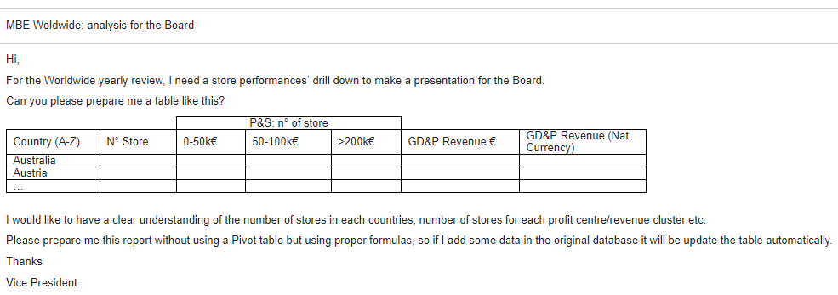

 |  | P&S: n° of store
Country (A-Z) | N° Store | 0 - 50k€ | 50-100k€ | >100k€ | GD&P Revenue € | GD&P Revenue (Local Currency)
Australia
Austria
Colombia
Germany
UK

